A. Testing Skill
No | Bug Title | Description | Attachment
1 | Unknown title name "asd, ghgjh, and PARTSLAH" on List of RNCP Title | 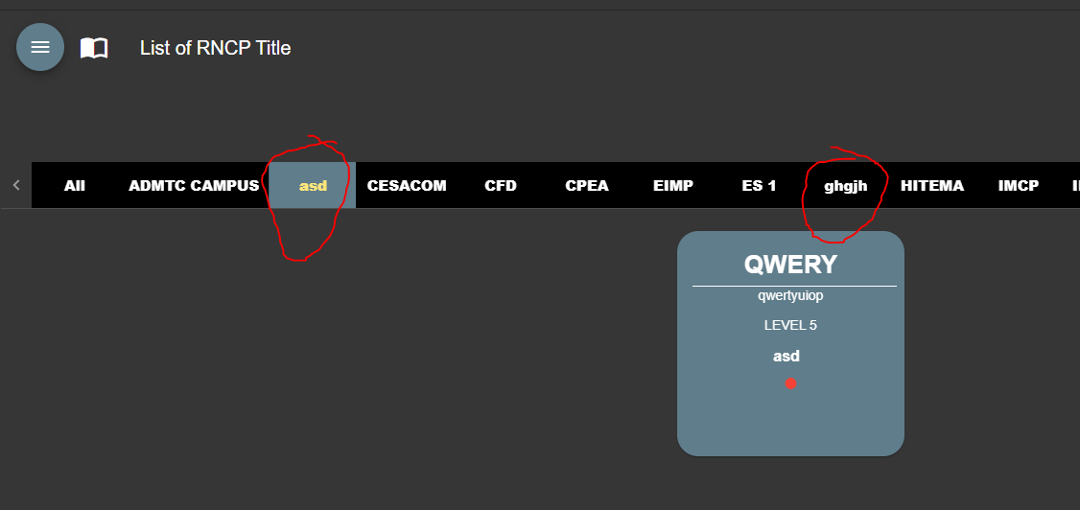 After login to website ADMTC, tester see on title list there are unknown title name like Step : 1. login to ADMTC website 2. on first page you will see the unknown title
2 | Eror pop up "invalid file type" appear when upload image not yet finished | 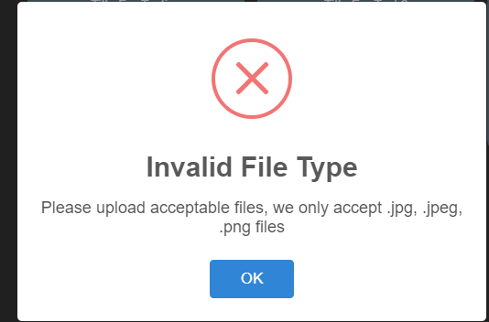 After login to website ADMTC, tester try add photo, when upload on first image not yet finished, then try to change the photo again in short period. There will be appear error pop up "invalid file type" appear when upload image not yet finished Step: 1. login to ADMTC website 2. Click on Add Photo, then upload photo again
3 | Unresponsive website when search title with huge number of character | After login to website ADMTC, tester try to search title on search field, copy paste 1000 character continuously. Notice that all website will not response Step: 1. login to ADMTC website 2. On search field copy paste huge number of character, example 1000 character, then copy paste it
4 | There is no max size to upload photo and file attachment | After login to website ADMTC, tester try to add photo, when tester add photo with size more than 3MB it can be uploaded but there is no indicator and it can be uploaded Step: 1. login to ADMTC website 2. then add photo profile on with image size than 3MB 3. then open help center, upload video with size more that 10MB
5 | Error pop up appear when attach large video file on Contact Us email | 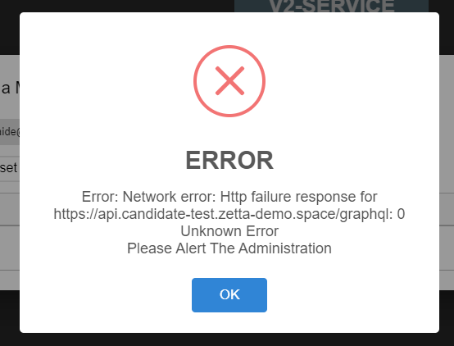 After login to website ADMTC, tester try to send help. Tester attach the video file with 1GB size, it can be notice there is error pop up appear when attach large video file on Contact Us email Step: 1. login to ADMTC website 2. click on "?" mark 3. choose Contact Us 4. there will appear email draft 5. click on attachment, choose all file 6. choose video that has large size, ex 1GB 7. then wait 2 minutes
6 | White blank image appear when close and send email via Contact Us | 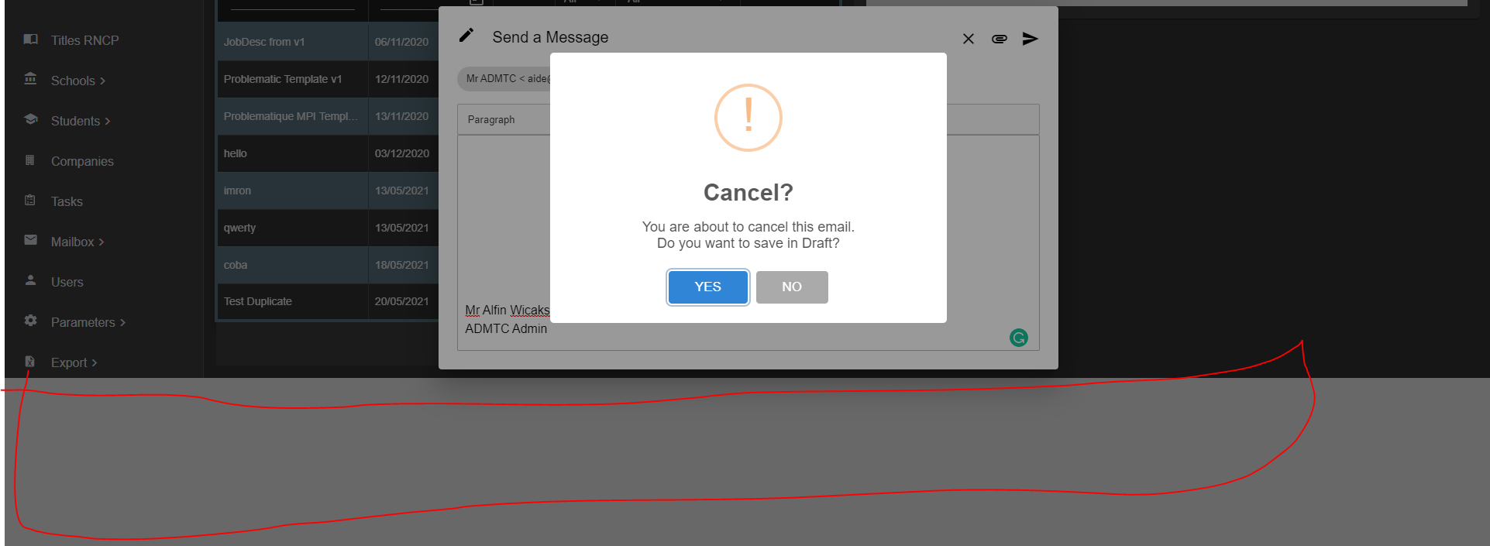 After login to website ADMTC, tester other menu than Titles RNCP, then open "?" mark click on Contact Us, after the email window opened, tester click close then click send button, it can be notice that there will appear blank white image behind the pop up Step: 1. login to ADMTC website 2. click on any other menu beside Titles RNCP, example School > List of school 3. then click on "?" mark on left your profile name, choose Contact Us 4. try to click send or close button X
7 | White blank image appear after add new tutorial | 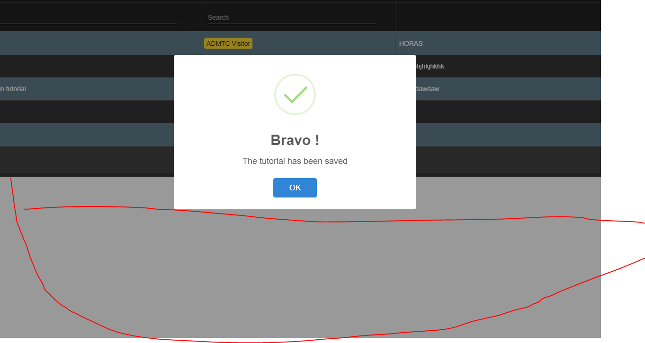 After login to website ADMTC, tester try to click "?" mark then choose tutorial, after that try to add new tutorial. After fill the field then click submit, it can be notice that white blank image appear behind the pop up after add new tutorial Step: 1. login to ADMTC website 2. click on "?" then choose Tutorial 3. click on Add a Tutorial 4. fill the field then click submit
8 | Empty tutorial can be added | 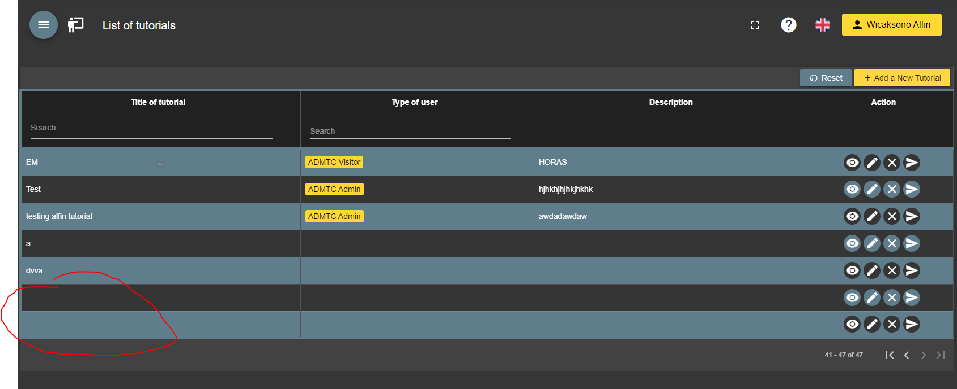 After login to website ADMTC, tester try to click "?" mark then choose tutorial, after that try to add new tutorial. After the window appear, click submit, without fill any field, it can notice that empty tutorial can be added Step: 1. login to ADMTC website 2. click on "?" then choose Tutorial 3. click on Add a Tutorial 4. click submit without fill any field
9 | Counter delete Tutorial confirmation can be bypass with spam click | After login to website ADMTC, tester try to click "?" mark then choose tutorial. Choose any data that want to be delete. Click delete button X, when pop up appear spam click on counter delete confirmation, it can be notice that counter delete confirmation can be bypass with spam click Step: 1. login to ADMTC website 2. click on "?" then choose Tutorial 3. choose data that want to be delete 4. click delete X, then spam click on the counter, close the again, then open again, do it repeatedly Reproduce rate 5 out of 10 times try = 50% occur
10 | Tutorial not deleted properly if using bypass | After login to website ADMTC, tester try to click "?" mark then choose tutorial. Choose any data that want to be delete. Click delete button X, when pop up appear spam click on counter delete confirmation, it can be notice that tutorial not deleted properly if using bypass Step: 1. login to ADMTC website 2. click on "?" then choose Tutorial 3. choose data that want to be delete 4. click delete X, then spam click on the counter, close the again, then open again, do it repeatedly Reproduce rate 5 out of 10 times try = 50% occur
11 | There are default template add new tutorial written as placeholders | 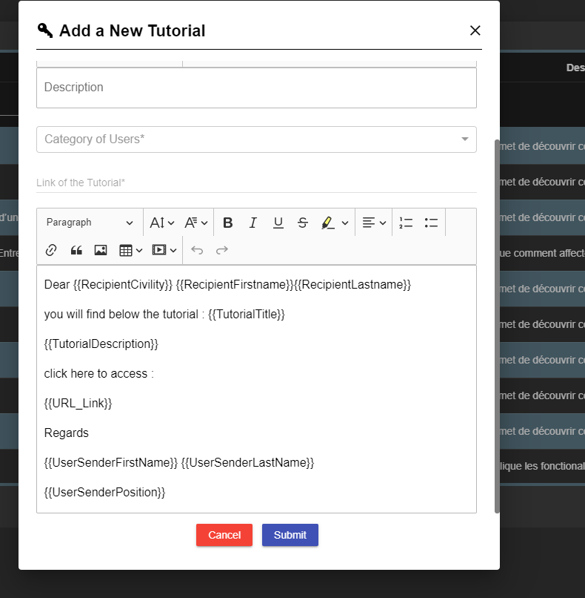 After login to website ADMTC, tester try to click "?" mark then choose tutorial. Click on "Add a new Tutorial" it can be notice that, there are default template add new tutorial written as placeholders Step: 1. login to ADMTC website 2. click on "?" then choose Tutorial 3. click on Add a new Tutorial
12 | Calendar button not working properly on RNCP title | After login to website ADMTC, tester try to click one of RNCP title, excample ETC title, then click on calendar button, it can be notice that calendar button not working properly on RNCP title Step: 1. login to ADMTC website 2. click on any RNCP title 3. then click on calendar button
13 | Broken image appear and blinking on ETC title | After login to website ADMTC, tester try to click RNCP title "ETC" it can be notice that broken image appear and blinking on ETC title Step: 1. login to ADMTC website 2. click on ETC RNCP title
14 | Eror pop up appear when clicked on each tab list of school | 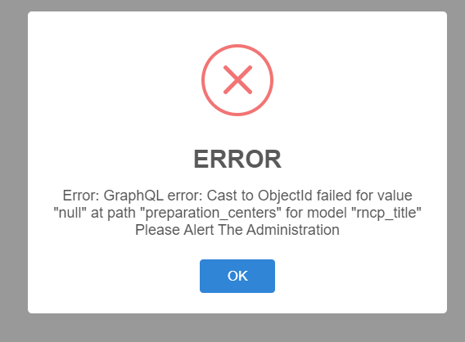 After login to website ADMTC, tester try click on menu School > List of school, then it can be notice that error pop up appear when clicked on each tab list of school Step: 1. login to ADMTC website 2. click School > List of school 3. click on each tab
15 | Error when add new school staff if the school not conected to any RNCP title |  After login to website ADMTC, tester try click on menu School > List of school. Fill the information of school detail, after that save. After the school added, then click again on school that have been made. Tester want to edit then click on edit, after that click on "School staf" tab, click on add user and fill all the field, after that click submit, it can be notice that error when add new school staff Step: 1. login to ADMTC website 2. click School > List of school 3. Fill the school detail information don't connect RNCP title then click save 4. select the data that have we make, click on edit 5. go to School staff tab 6. add new staff and fill the information 7. click submit The issue occur because of the field RNCP title and select class filed is not mandatory
16 | Student email notification pop up appear as placeholder | 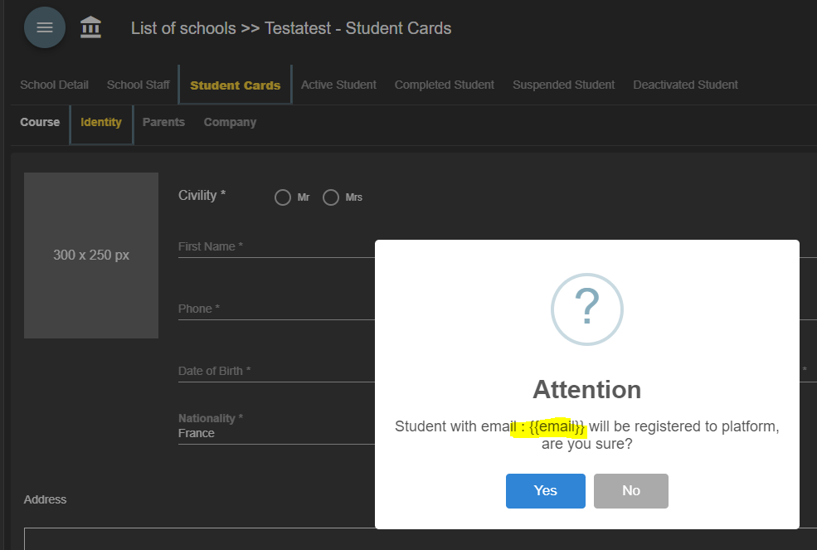 After login to website ADMTC, tester try click on menu School > List of school. Fill the information of school detail, after that save. After the school added, then click again on school that have been made. Tester want to edit then click on edit, then going to student card tab, then click on couser tab, fill the field, then continue, when on identity tab tester dont fill any information then click continue, it can be notice that student email notification pop up appear as placeholder Step: 1. login to ADMTC website 2. click School > List of school 3. add new school information 4. select on school that have been made > click edit 5. go to student card, fill the Course > identity 6. then click continue
17 | Error pop up appear and infinite loading when export pdf | After login to website ADMTC, tester try click on menu School > List of school. Select any school, then edit, after that test goes to deactive students tab and clicked on export pdf, it can be notice that error pop up appear and infinite loading when export pdf Step: 1. login to ADMTC website 2. click School > List of school 3. select any school, then go to Deactive students 4. click on export pdf
18 | There are 2 button save when add new company that have same function | 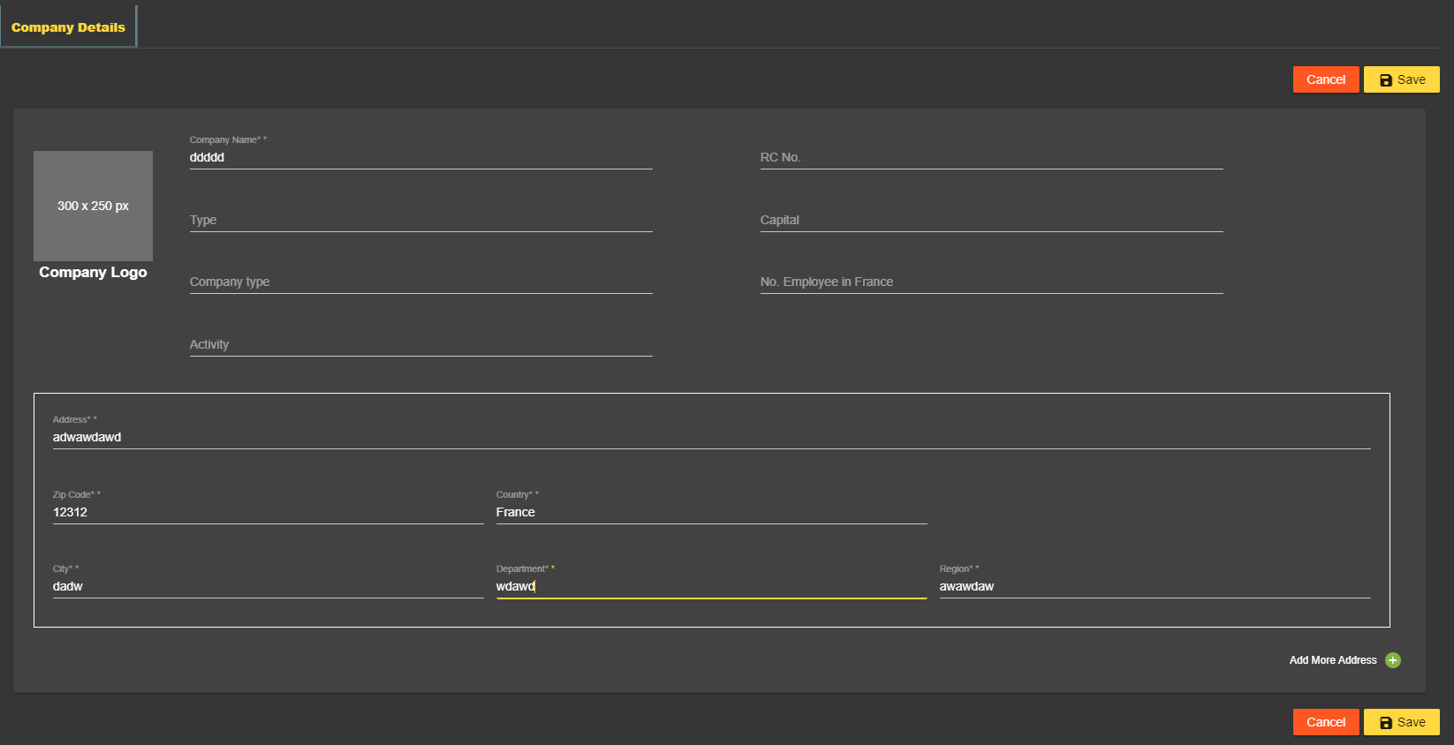 After login to website ADMTC, tester try click on menu companies then click add new company, then fill all field, it can be notice that there are 2 button save when add new company that have same function Step: 1. login to ADMTC website 2. click on company, fill all the field 3. click on upper and bottom save button
19 | Error pop up appear when try to transfer | 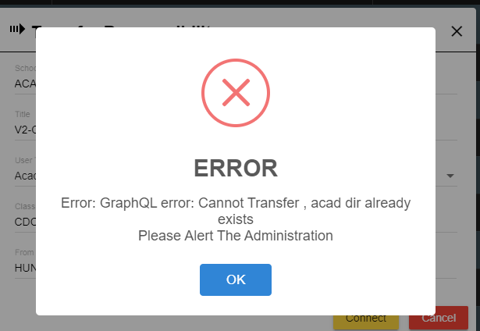 After login to website ADMTC, tester try click on menu user, after that click on transfer button, fill the mandatory field, after that click connect, it can be notice that error pop up appear when try to transfer Step: 1. login to ADMTC website 2. click on user 3. click on Transfer button 4. fill all the field, then click connect
20 | All button "Add new user type" on platform menu not working properly | After login to website ADMTC, tester try click on menu parameter > platform, then goes to tab User Type Management and Scholar Season and try to click button Add new user type on that tab, it can be notice that all button "Add new user type" on platform menu not working properly Step: 1. login to ADMTC website 2. go to parameter > platform 3. go to tab User Type Management and Scholar Season and try to click button Add new user
21 | Error pop up appear when edit calendar step management | After login to website ADMTC, tester try click on menu parameter > platform, calendar step management click edit on existing data it can be notice that error pop up appear when edit calendar step management Step: 1. login to ADMTC website 2. go to parameter > platform > calendar step management 3. click edit on existing data
22 | Delete button not working properly on calendar step management | After login to website ADMTC, tester try click on menu parameter > platform, calendar step management click delete on existing data, it can be notice that delete button not working properly on calendar step management Step: 1. login to ADMTC website 2. go to parameter > platform > calendar step management 3. click delete on existing data
23 | Save button not working properly on Add a Calendar Step menu | After login to website ADMTC, tester try click on menu parameter > platform, calendar step management then try to Add a Calendar Step, fill the data, then click save, it can be notice that save button not working properly on Add a Calendar Step menu Step: 1. login to ADMTC website 2. go to parameter > platform > calendar step management > Add a Calendar Step 3. fill all the field then click save
24 | All child menu of Export only appear image | After login to website ADMTC, tester try click on menu Export, then click on all menu, it can be notice that all child menu of Export only appear image Step: 1. login to ADMTC website 2. go to Export then click on child menu
25 | Ambigous edit icon appear when view the notification | After login to website ADMTC, tester try click on menu History, then goes to notification, after that click button view on any data, it can be notice that ambigous edit icon appear when view the notification Step: 1. login to ADMTC website 2. go to history menu, then go History > notification 3. select any data, then click on view button
26 | White blank image appear almost on all pop up notification | After login to website ADMTC, tester try click on menu Parameter then goes to RNCP Title Management, select on any title, then select to class tab, click on button save, it can be notice that white blank image appear almost on all pop up notification Step: 1. login to ADMTC website 2. go to menu Parameter > RNCP title Management 3. click any title then go to class tab, click save button
27 | Menu Employability Survey and Reaking During Year only appear as image when clicked | After login to website ADMTC, tester try click on menu Process, it can be notice that Menu Employability Survey and Reaking During Year only appear as image when clicked Step: 1. login to ADMTC website 2. go to Process menu 3. click on menu Employability Survey and Reaking During Year
28 | There is no mandatory mark on Urgent message | 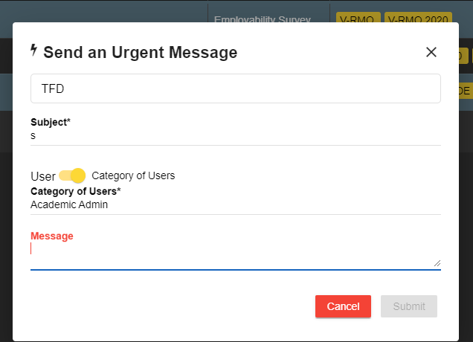 After login to website ADMTC, tester try click on menu Message, then goes to Urgent Message, it can be notice that there is no mandatory mark on Urgent message Step: 1. login to ADMTC website 2. go to Message menu 3. go to Urgent Message 4. click on Message field, then click outside the message field
29 | All button in Functionality Alert menu not working properly | After login to website ADMTC, tester try click on menu Message, then goes to Funcionality Alert menu, tester try to click all the button, it can be notice that all button in Functionality Alert menu not working properly Step: 1. login to ADMTC website 2. go to Message menu 3. click on child menu Funcionality Alert 4. click on all button on that menu
30 | Menu Final transcript and Final retake only appear as image when clicked | After login to website ADMTC, tester try click on menu Certificate, it can be notice that menu Final transcript and Final retake only appear as image when clicked Step: 1. login to ADMTC website 2. go to menu Certificate 3. click on Menu Final transcript and Final retake

